Case #1
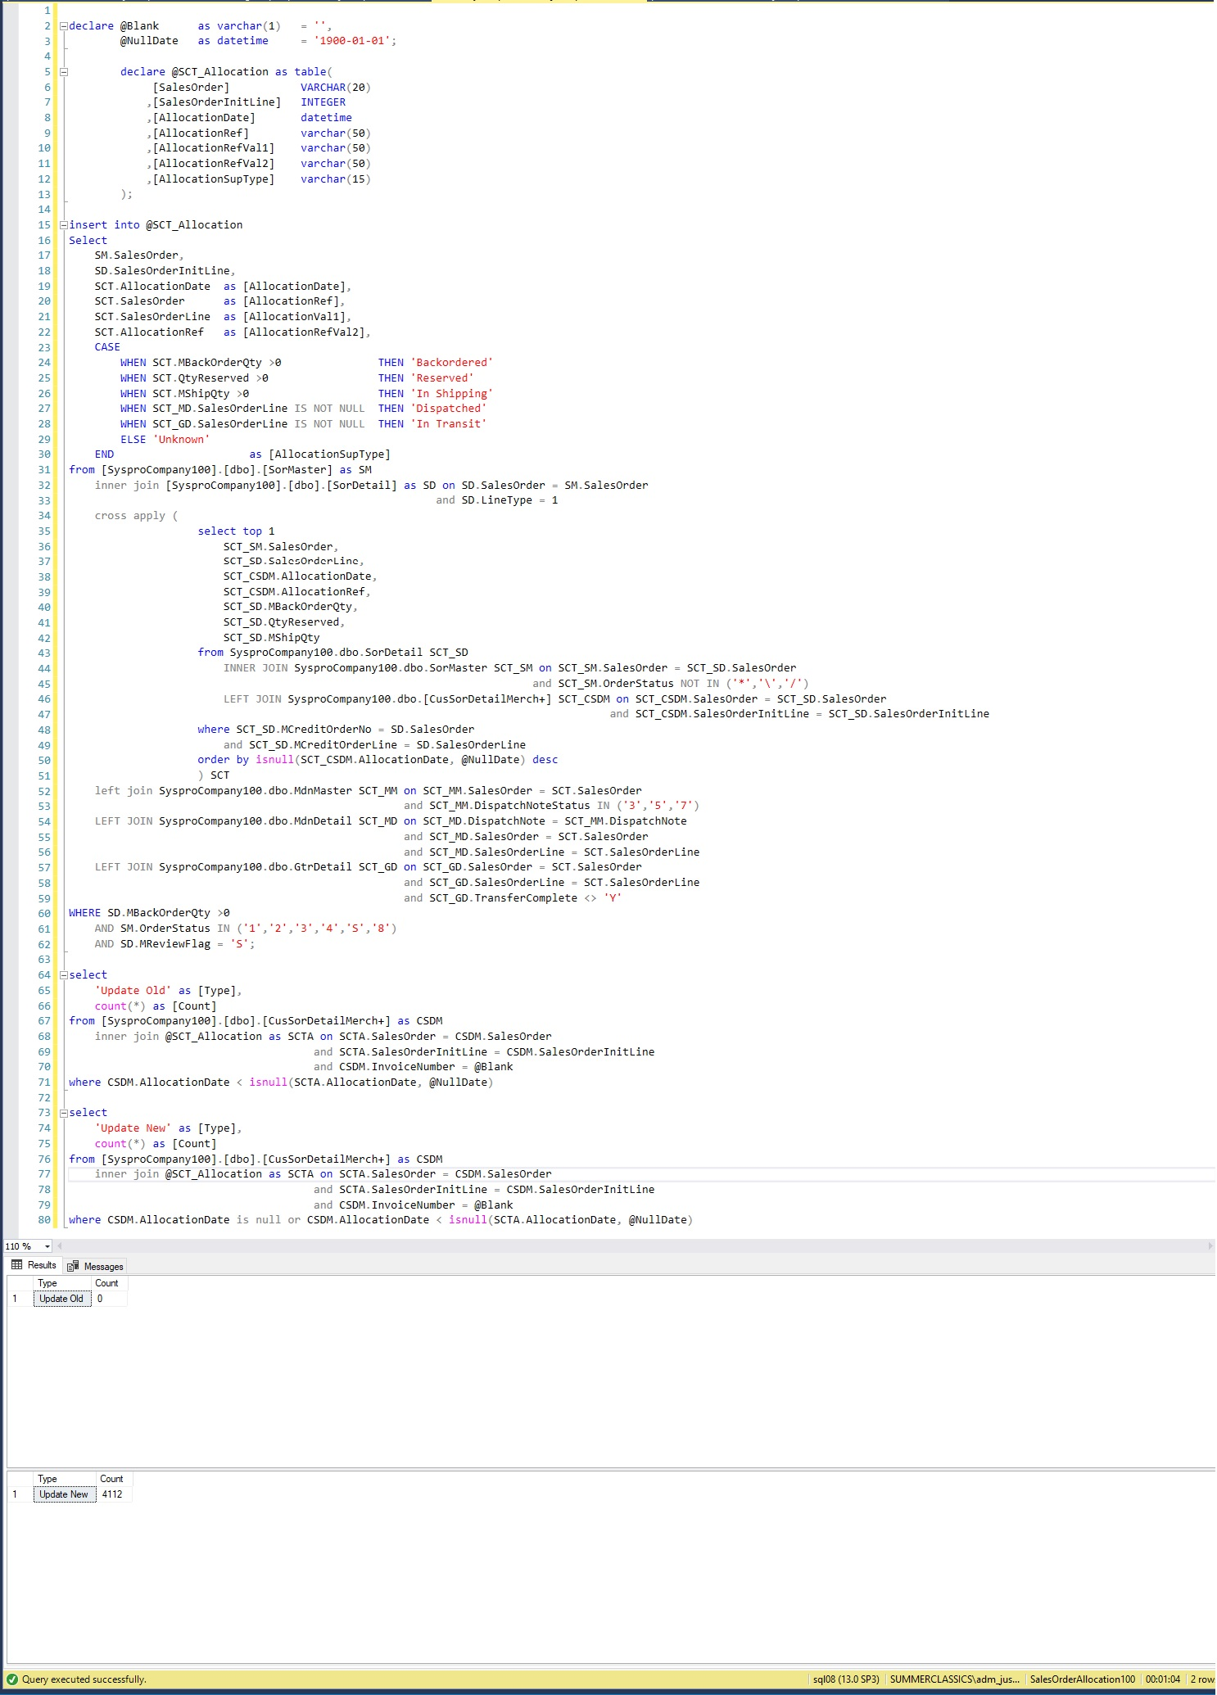
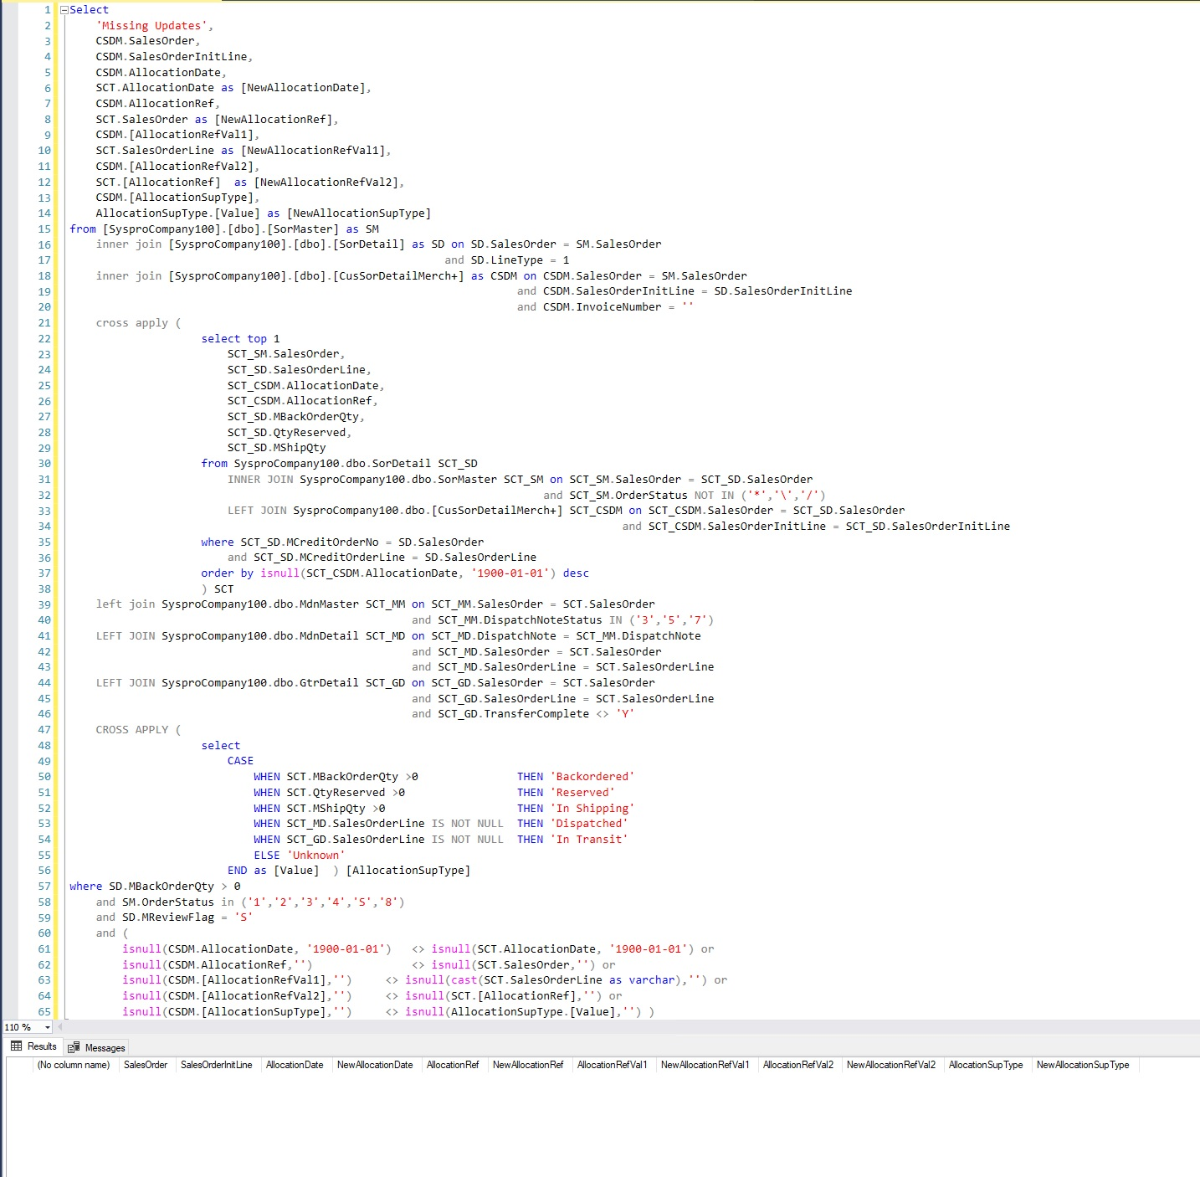
Justin Pope Dev Test
Test Case No. | 1
Process | Validate Procedure Correction usp_Update_Allocation_Systpro_SCT
Test Consideration | SQL Server Management Studio
Test Condition |  | Data Used | How To Verify | Actual Results
Tasks
1 | Test Script to show missing records on update | dev data | query database | Screen shot below, this show that there are 4100 records that are not being updated
2 | Execute new procedure |  |  | No errors
3 | Re Run Test Script | dev data | query database | screen shot below
Configuration/Data Setup for Testing Scenario
1 | Running from Visual Studio
2 | Added the Staged record manually

Verification

Test Cast Screens Shots Before and After

